Xin_2014
Xin & Pinzon (2014) - 9 - Improving the environmental performance of heavy-duty vehicles and engines: key issues and system design approaches
https://doi.org/10.1533/9780857097422.2.225

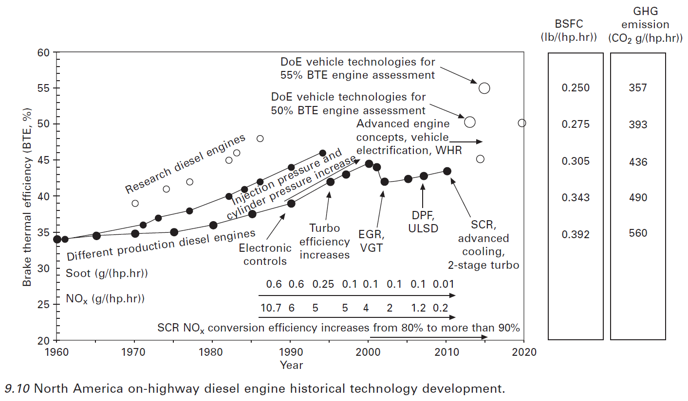
Year | Efficiency [%] | Efficiency [-]
1960 | 33.94 | 33.94%
1961 | 33.87 | 33.87%
1962 | 34.02 | 34.02%
1963 | 34.17 | 34.17%
1964 | 34.32 | 34.32%
1965 | 34.47 | 34.47%
1966 | 34.52 | 34.52%
1967 | 34.56 | 34.56%
1968 | 34.60 | 34.60%
1969 | 34.64 | 34.64%
1970 | 34.68 | 34.68%
1971 | 34.72 | 34.72%
1972 | 34.76 | 34.76%
1973 | 34.80 | 34.80%
1974 | 34.84 | 34.84%
1975 | 34.90 | 34.90%
1976 | 35.09 | 35.09%
1977 | 35.29 | 35.29%
1978 | 35.49 | 35.49%
1979 | 35.69 | 35.69%
1980 | 35.89 | 35.89%
1981 | 36.20 | 36.20%
1982 | 36.50 | 36.50%
1983 | 36.81 | 36.81%
1984 | 37.12 | 37.12%
1985 | 37.42 | 37.42%
1986 | 37.71 | 37.71%
1987 | 37.99 | 37.99%
1988 | 38.27 | 38.27%
1989 | 38.56 | 38.56%
1990 | 38.84 | 38.84%
1991 | 39.44 | 39.44%
1992 | 40.06 | 40.06%
1993 | 40.68 | 40.67%
1994 | 41.30 | 41.30%
1995 | 41.91 | 41.91%
1996 | 42.37 | 42.37%
1997 | 42.81 | 42.81%
1998 | 43.31 | 43.31%
1999 | 43.83 | 43.83%
2000 | 44.35 | 44.35%
2001 | 43.97 | 43.97%
2002 | 41.95 | 41.95%
2003 | 42.06 | 42.06%
2004 | 42.17 | 42.17%
2005 | 42.28 | 42.28%
2006 | 42.44 | 42.44%
2007 | 42.60 | 42.60%
2008 | 42.86 | 42.86%
2009 | 43.15 | 43.15%
2010 | 43.43 | 43.43%

Henggeler_
Henggeler et al () - Measuring Fuel Consumption to Estimate Energy Efficiency
https://www.researchgate.net/file.PostFileLoader.html?id=5833f23296b7e482976b6ac6&assetKey=AS%3A431123860856833%401479799346198

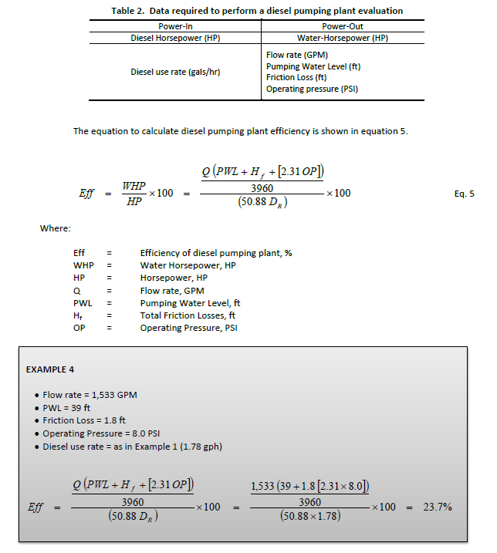
Year | Country | Pump Efficiency
2004 | USA | 23.70%

Jackson_2010
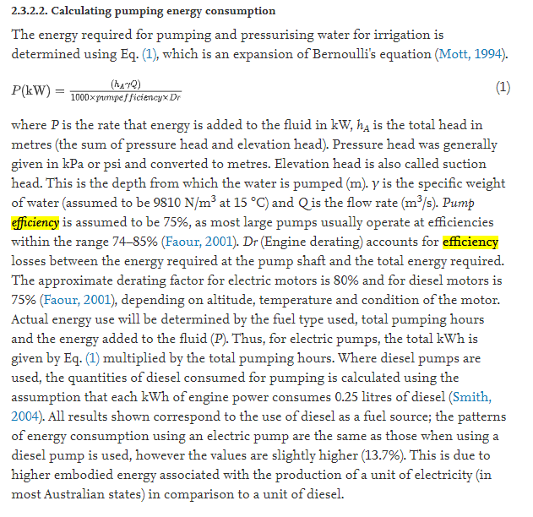
Jackson et al (2010) - A comparative analysis of water application and energy consumption at the irrigated field level
https://doi.org/10.1016/j.agwat.2010.04.013

Wang_2012
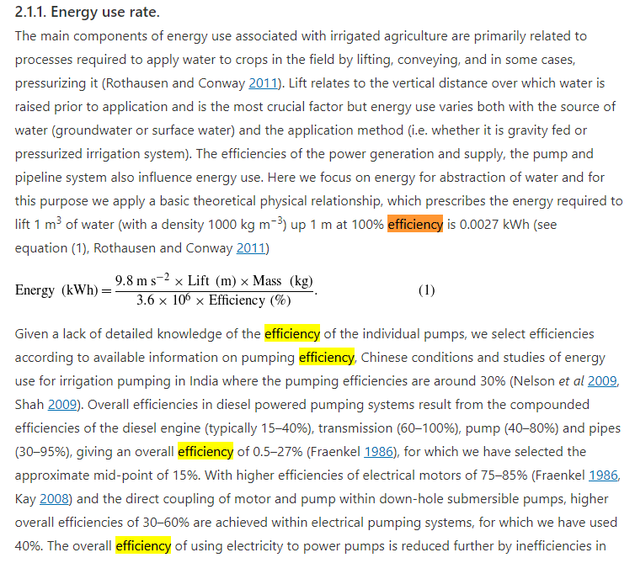
Wang et al (2012) - China's water-energy nexus greenhouse-gas emissions from groundwater use for agriculture
https://doi.org/10.1088/1748-9326/7/1/014035

Lockeretz_1977
Lockeretz (1977) - Agriculture and Energy
https://www.sciencedirect.com/book/9780124542501/agriculture-and-energy

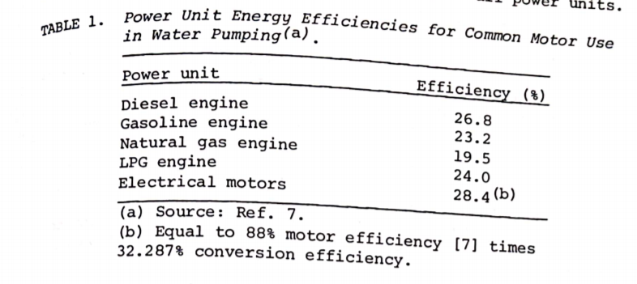
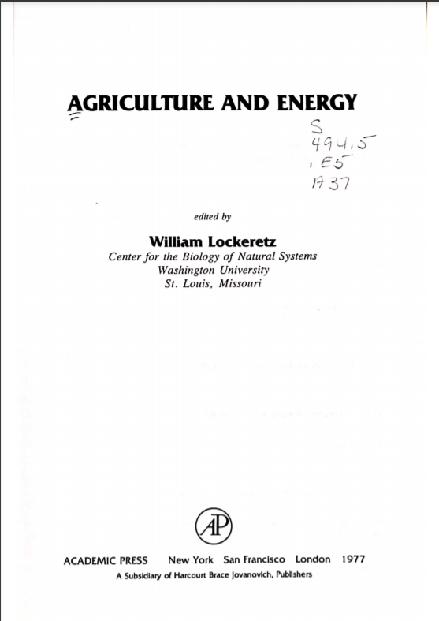
Year | Country | Machine | Efficiency [-]
1977 | USA | Diesel water pumps | 26.80%
1977 | USA | Pump conversion efficiency | 32.29%

PB COMMENTS
Date: 15/09/2021
Country | Energy.type | Last.stage | Method | Machine | Eu.product | Quantity | 1960 | 1961 | 1962 | 1963 | 1964 | 1965 | 1966 | 1967 | 1968 | 1969 | 1970 | 1971 | 1972 | 1973 | 1974 | 1975 | 1976 | 1977 | 1978 | 1979 | 1980 | 1981 | 1982 | 1983 | 1984 | 1985 | 1986 | 1987 | 1988 | 1989 | 1990 | 1991 | 1992 | 1993 | 1994 | 1995 | 1996 | 1997 | 1998 | 1999 | 2000 | 2001 | 2002 | 2003 | 2004 | 2005 | 2006 | 2007 | 2008 | 2009 | 2010 | 2011 | 2012 | 2013 | 2014 | 2015 | 2016 | 2017 | 2018 | 2019 | 2020
USA | E | Final | PCM | Diesel pumps | HPL | eta.fu | 19.07% | 19.04% | 19.12% | 19.20% | 19.29% | 19.37% | 19.40% | 19.42% | 19.44% | 19.46% | 19.49% | 19.51% | 19.53% | 19.56% | 19.58% | 19.61% | 19.72% | 19.83% | 19.95% | 20.06% | 20.17% | 20.34% | 20.51% | 20.69% | 20.86% | 21.03% | 21.19% | 21.35% | 21.51% | 21.67% | 21.83% | 22.16% | 22.51% | 22.86% | 23.21% | 23.55% | 23.81% | 24.06% | 24.34% | 24.63% | 24.92% | 24.71% | 23.58% | 23.64% | 23.70% | 23.76% | 23.85% | 23.94% | 24.09% | 24.25% | 24.77% | 24.94% | 25.10% | 25.27% | 25.43% | 25.60% | 25.78% | 25.95% | 26.12% | 26.29% | 26.45%
WLD | E | Final | PCM | Diesel pumps | HPL | eta.fu | 19.07% | 19.04% | 19.12% | 19.20% | 19.29% | 19.37% | 19.40% | 19.42% | 19.44% | 19.46% | 19.49% | 19.51% | 19.53% | 19.56% | 19.58% | 19.61% | 19.72% | 19.83% | 19.95% | 20.06% | 20.17% | 20.34% | 20.51% | 20.69% | 20.86% | 21.03% | 21.19% | 21.35% | 21.51% | 21.67% | 21.83% | 22.16% | 22.51% | 22.86% | 23.21% | 23.55% | 23.81% | 24.06% | 24.34% | 24.63% | 24.92% | 24.71% | 23.58% | 23.64% | 23.70% | 23.76% | 23.85% | 23.94% | 24.09% | 24.25% | 24.77% | 24.94% | 25.10% | 25.27% | 25.43% | 25.60% | 25.78% | 25.95% | 26.12% | 26.29% | 26.45%

PB comment |  |  |  |  |  |  |  |  |  |  |  |  |  |  |  |  |  | ZM Comments
1 | I think that the Shrinivasa efficiencies are too high for us, they are uppoer boudn for Wartsila v large marine new engines. Use Xin 2014 diesel engine efficiencies |  |  |  |  |  |  |  |  |  |  |  |  |  |  |  |  | Done
2 | For other machines (e.g. bulldozer, haul truck) we used smaller values from Xin, which are for still large diesel engines/machines, but not as large as the Wartsila marine engines which top 50% |  |  |  |  |  |  |  |  |  |  |  |  |  |  |  |  | See above
3 | maybe we use a 5 year average to smoooth out peaks, reflecting that the bulldozer stock efficiency is average of new engine + previous 5-7 years |  |  |  |  |  |  |  |  |  |  |  |  |  |  |  |  | I don't like smoothing unless we have enough evidence to "overide" the underlying data, it can be an arbitrary decision, even if it may be closer to the truth.

